DIESEL
DIESEL
PHOTO | ARTICLE CODE | GENDER | MACRO | DESCRIPTION | 01 | 02 |  |  |  |  |  | QTY | WHS UNIT | RETAIL UNIT
 | A12047RJCAR129 | UNISEX | ACCESORIES | NEW-D-LOGO-OUT CAPPELLO - VAPOUROUS GRAY | 2 | 3 |  |  |  |  |  | 5 | 24.00 € | 60.00 €
 |  |  |  |  | XS | S | M | L | XL | XXL | 3XL
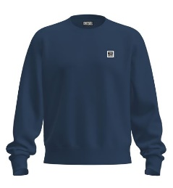 | A00329RHATY81E | MALE | HOODIE | S-GIRK-K12 FELPA - TOTAL ECLIPSE |  | 6 | 10 |  |  |  |  | 16 | 44.00 € | 110.00 €
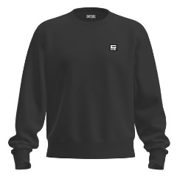 | A00329RHATY9XX | MALE | HOODIE | S-GIRK-K12 FELPA - BLACK BLACK BLACK |  | 10 | 50 | 50 | 40 | 15 |  | 165 | 44.00 € | 110.00 €
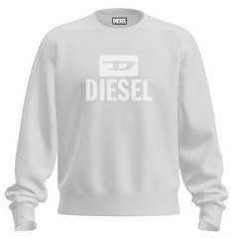 | A09755RIAJH100 | MALE | HOODIE | S-GIR-CREWNECK TONE ON TONE FELPA - BRIGHT WHITE |  | 22 |  |  |  |  |  | 22 | 50.00 € | 125.00 €
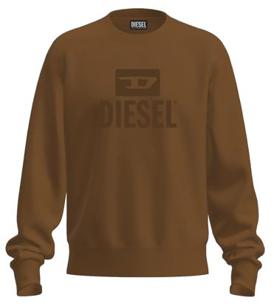 | A09755RIAJH7DA | MALE | HOODIE | S-GIR-CREWNECK TONE ON TONE FELPA - COFFEE LIQUEUR |  | 41 | 95 | 93 | 96 | 52 |  | 377 | 50.00 € | 125.00 €
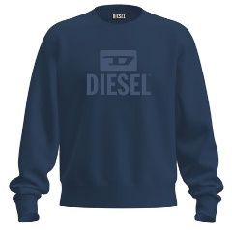 | A09755RIAJH81E | MALE | HOODIE | S-GIR-CREWNECK TONE ON TONE FELPA - TOTAL ECLIPSE |  | 26 | 50 | 50 | 50 | 30 |  | 206 | 50.00 € | 125.00 €
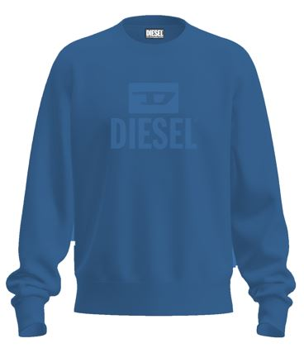 | A09755RIAJH8NT | MALE | HOODIE | S-GIR-CREWNECK TONE ON TONE FELPA - BLUE SAPPHIRE |  | 26 | 50 | 50 | 50 | 30 |  | 206 | 50.00 € | 125.00 €
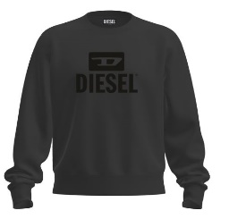 | A09755RIAJH900 | MALE | HOODIE | S-GIR-CREWNECK TONE ON TONE FELPA - CAVIAR |  | 32 | 80 | 80 | 70 | 35 |  | 297 | 50.00 € | 125.00 €
 | A10288RIAJH100 | FEMALE | HOODIE | F-ANG-NEW-ITA FOIL FELPA - BRIGHT WHITE | 125 | 250 | 250 | 250 | 125 |  |  | 1000 | 50.00 € | 125.00 €
 | A10288RIAJH9XX | FEMALE | HOODIE | F-ANG-NEW-ITA FOIL FELPA - BLACK BLACK BLACK | 125 | 250 | 250 | 250 | 125 |  |  | 1000 | 50.00 € | 125.00 €
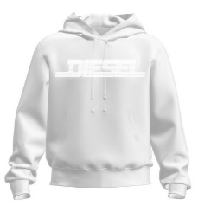 | A16979RIAJH100 | MALE | HOODIE | S-GINN-HOOD 12-G FELPA - BRIGHT WHITE |  | 223 | 459 | 458 | 465 | 232 |  | 1837 | 60.00 € | 150.00 €
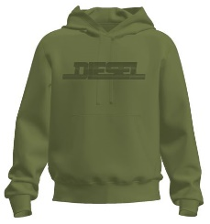 | A16979RIAJH5IX | MALE | HOODIE | S-GINN-HOOD 12-G FELPA - DEEP DEPTHS |  | 46 | 59 | 57 | 66 | 38 |  | 266 | 60.00 € | 150.00 €
 | A16979RIAJH8NT | MALE | HOODIE | S-GINN-HOOD 12-G FELPA - BLUE SAPPHIRE |  | 56 | 115 | 113 | 117 | 59 |  | 460 | 60.00 € | 150.00 €
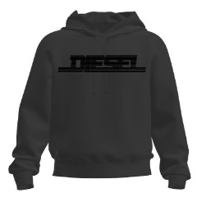 | A16979RIAJH900 | MALE | HOODIE | S-GINN-HOOD 12-G FELPA - CAVIAR |  | 211 | 435 | 432 | 439 | 225 |  | 1742 | 60.00 € | 150.00 €
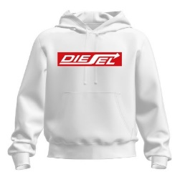 | A18981RIAJH100 | MALE | HOODIE | S-GINN-HOOD 250111 OFF FELPA - BRIGHT WHITE |  | 167 | 340 | 339 | 343 | 171 |  | 1360 | 60.00 € | 150.00 €
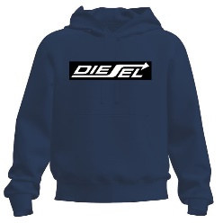 | A18981RIAJH81E | MALE | HOODIE | S-GINN-HOOD 250111 OFF FELPA - TOTAL ECLIPSE |  | 163 | 315 | 300 | 306 | 156 |  | 1240 | 60.00 € | 150.00 €
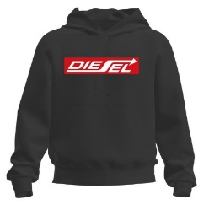 | A18981RIAJH900 | MALE | HOODIE | S-GINN-HOOD 250111 OFF FELPA - CAVIAR |  | 162 | 309 | 287 | 293 | 149 |  | 1200 | 60.00 € | 150.00 €
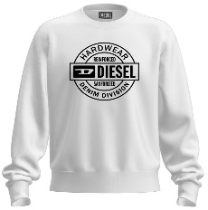 | A19704RJXAN100 | MALE | HOODIE | S-GIR 250207 OFF FELPA - BRIGHT WHITE |  | 22 | 28 | 28 | 28 | 22 |  | 128 | 50.00 € | 125.00 €
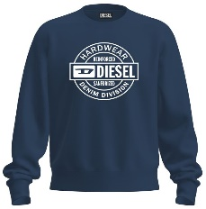 | A19704RJXAN81E | MALE | HOODIE | S-GIR 250207 OFF FELPA - TOTAL ECLIPSE |  | 25 | 40 | 40 | 40 | 25 |  | 170 | 50.00 € | 125.00 €
 | A19704RJXAN900 | MALE | HOODIE | S-GIR 250207 OFF FELPA - CAVIAR |  | 26 | 50 | 50 | 50 | 28 |  | 204 | 50.00 € | 125.00 €
 |  |  |  |  | S | M | L | XL | XXL
 | A16981RQIAH100 | MALE | POLO | T-SMITH 16-2 POLO POLO - BRIGHT WHITE |  | 18 | 18 | 18 | 8 |  |  | 62 | 32.00 € | 80.00 €
 | A16981RQIAH81E | MALE | POLO | T-SMITH 16-2 POLO POLO - TOTAL ECLIPSE | 6 | 37 | 37 | 36 | 14 |  |  | 130 | 32.00 € | 80.00 €
 | A16981RQIAH8NT | MALE | POLO | T-SMITH 16-2 POLO POLO - BLUE SAPPHIRE | 2 | 23 | 23 | 22 | 10 |  |  | 80 | 32.00 € | 80.00 €
 | A16981RQIAH900 | MALE | POLO | T-SMITH 16-2 POLO POLO - CAVIAR | 14 | 74 | 74 | 74 | 34 |  |  | 270 | 32.00 € | 80.00 €
 | A19002RQIAH81E | MALE | POLO | T-SMITH 250104 OFF POLO - TOTAL ECLIPSE | 199 | 388 | 373 | 390 | 195 |  |  | 1545 | 32.00 € | 80.00 €
 | A19002RQIAH900 | MALE | POLO | T-SMITH 250104 OFF POLO - CAVIAR |  | 26 | 26 | 25 | 8 |  |  | 85 | 32.00 € | 80.00 €
 | A19714REFBA100 | MALE | POLO | T-SMITH 250205 OFF POLO - BRIGHT WHITE | 238 | 481 | 481 | 480 | 235 |  |  | 1915 | 32.00 € | 80.00 €
 | A19714REFBA81E | MALE | POLO | T-SMITH 250205 OFF POLO - TOTAL ECLIPSE | 4 | 32 | 32 | 31 | 11 |  |  | 110 | 32.00 € | 80.00 €
 | A19714REFBA900 | MALE | POLO | T-SMITH 250205 OFF POLO - CAVIAR | 236 | 477 | 475 | 474 | 232 |  |  | 1894 | 32.00 € | 80.00 €
 |  |  |  |  | XS | S | M | L | XL | XXL | 3XL
 | A00356RAAXJ100 | MALE | T-SHIRT | T-DIEGOS-K30 MAGLIETTA - BRIGHT WHITE |  | 136 | 270 | 262 | 283 | 142 |  | 1093 | 24.00 € | 60.00 €
 | A00356RAAXJ5IX | MALE | T-SHIRT | T-DIEGOS-K30 MAGLIETTA - DEEP DEPTHS |  | 35 | 82 | 82 | 90 | 41 |  | 330 | 24.00 € | 60.00 €
 | A00356RAAXJ81E | MALE | T-SHIRT | T-DIEGOS-K30 MAGLIETTA - TOTAL ECLIPSE |  | 162 | 328 | 322 | 331 | 167 |  | 1310 | 24.00 € | 60.00 €
 | A00356RAAXJ900 | MALE | T-SHIRT | T-DIEGOS-K30 MAGLIETTA - CAVIAR |  | 135 | 268 | 259 | 278 | 140 |  | 1080 | 24.00 € | 60.00 €
 | A03848RPATI100 | MALE | T-SHIRT | T-DIEGOR-K47 MAGLIETTA - BRIGHT WHITE |  | 67 | 135 | 129 | 134 | 71 |  | 536 | 20.00 € | 50.00 €
 | A03848RPATI81E | MALE | T-SHIRT | T-DIEGOR-K47 MAGLIETTA - TOTAL ECLIPSE |  | 65 | 132 | 126 | 130 | 69 |  | 522 | 20.00 € | 50.00 €
 | A03848RPATI900 | MALE | T-SHIRT | T-DIEGOR-K47 MAGLIETTA - CAVIAR |  | 67 | 135 | 129 | 134 | 71 |  | 536 | 20.00 € | 50.00 €
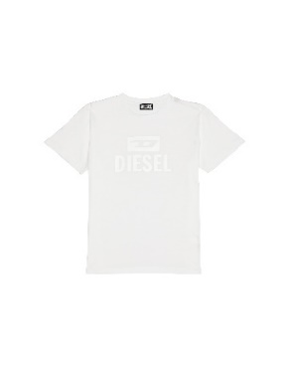 | A09753RPATI100 | MALE | T-SHIRT | T-DIEGO TONE ON TONE MAGLIETTA - BRIGHT WHITE |  | 167 | 335 | 331 | 335 | 174 |  | 1342 | 24.00 € | 60.00 €
 | A09753RPATI7DA | MALE | T-SHIRT | T-DIEGO TONE ON TONE MAGLIETTA - COFFEE LIQUEUR |  | 62 | 125 | 123 | 125 | 62 |  | 497 | 24.00 € | 60.00 €
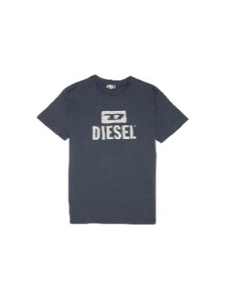 | A09753RPATI81E | MALE | T-SHIRT | T-DIEGO TONE ON TONE MAGLIETTA - TOTAL ECLIPSE |  | 171 | 348 | 334 | 340 | 172 |  | 1365 | 24.00 € | 60.00 €
 | A09753RPATI8NT | MALE | T-SHIRT | T-DIEGO TONE ON TONE MAGLIETTA - BLUE SAPPHIRE |  | 52 | 109 | 107 | 113 | 57 |  | 438 | 24.00 € | 60.00 €
 | A09753RPATI900 | MALE | T-SHIRT | T-DIEGO TONE ON TONE MAGLIETTA - CAVIAR |  | 138 | 275 | 270 | 281 | 154 |  | 1118 | 24.00 € | 60.00 €
 | A11184RPATI100 | MALE | T-SHIRT | T-JUST -SMALL-NEW D LOGO MAGLIETTA - BRIGHT WHITE |  | 189 | 382 | 375 | 399 | 206 |  | 1551 | 24.00 € | 60.00 €
 | A11184RPATI5IX | MALE | T-SHIRT | T-JUST -SMALL-NEW D LOGO MAGLIETTA - DEEP DEPTHS |  | 145 | 302 | 298 | 311 | 157 |  | 1213 | 24.00 € | 60.00 €
 | A11184RPATI7DA | MALE | T-SHIRT | T-JUST -SMALL-NEW D LOGO MAGLIETTA - COFFEE LIQUEU |  | 105 | 217 | 213 | 220 | 107 |  | 862 | 24.00 € | 60.00 €
 | A11184RPATI81E | MALE | T-SHIRT | T-JUST -SMALL-NEW D LOGO MAGLIETTA - TOTAL ECLIPSE |  | 195 | 391 | 383 | 408 | 210 |  | 1587 | 24.00 € | 60.00 €
 | A11184RPATI900 | MALE | T-SHIRT | T-JUST -SMALL-NEW D LOGO MAGLIETTA - CAVIAR |  | 186 | 370 | 357 | 382 | 198 |  | 1493 | 24.00 € | 60.00 €
 | A12248RPATI100 | MALE | T-SHIRT | T-DIEGOR-E17-OUT MAGLIETTA - BRIGHT WHITE |  | 181 | 366 | 366 | 368 | 183 |  | 1464 | 24.00 € | 60.00 €
 | A12248RPATI81E | MALE | T-SHIRT | T-DIEGOR-E17-OUT MAGLIETTA - TOTAL ECLIPSE |  | 166 | 340 | 338 | 342 | 176 |  | 1362 | 24.00 € | 60.00 €
 | A12248RPATI8NT | MALE | T-SHIRT | T-DIEGOR-E17-OUT MAGLIETTA - BLUE SAPPHIRE |  | 57 | 117 | 117 | 119 | 59 |  | 469 | 24.00 € | 60.00 €
 | A12248RPATI9XX | MALE | T-SHIRT | T-DIEGOR-E17-OUT MAGLIETTA - BLACK BLACK BLACK |  | 178 | 357 | 355 | 359 | 180 |  | 1429 | 24.00 € | 60.00 €
 | A16848RPATI100 | MALE | T-SHIRT | T-DIEGOR 1-A MAGLIETTA - BRIGHT WHITE |  | 8 | 38 | 38 | 38 | 13 |  | 135 | 20.00 € | 50.00 €
 | A16848RPATI5IX | MALE | T-SHIRT | T-DIEGOR 1-A MAGLIETTA - DEEP DEPTHS |  | 8 | 38 | 38 | 38 | 13 |  | 135 | 20.00 € | 50.00 €
 | A16848RPATI81E | MALE | T-SHIRT | T-DIEGOR 1-A MAGLIETTA - TOTAL ECLIPSE |  | 14 | 59 | 59 | 59 | 19 |  | 210 | 20.00 € | 50.00 €
 | A16848RPATI900 | MALE | T-SHIRT | T-DIEGOR 1-A MAGLIETTA - CAVIAR |  | 18 | 98 | 98 | 98 | 18 |  | 330 | 20.00 € | 50.00 €
 | A16861RPATI100 | MALE | T-SHIRT | T-JUST 12-5 MAGLIETTA - BRIGHT WHITE |  | 170 | 352 | 351 | 357 | 174 |  | 1404 | 24.00 € | 60.00 €
 | A16861RPATI81E | MALE | T-SHIRT | T-JUST 12-5 MAGLIETTA - TOTAL ECLIPSE |  | 155 | 325 | 322 | 331 | 168 |  | 1301 | 24.00 € | 60.00 €
 | A16861RPATI8NT | MALE | T-SHIRT | T-JUST 12-5 MAGLIETTA - BLUE SAPPHIRE |  | 114 | 234 | 234 | 236 | 119 |  | 937 | 24.00 € | 60.00 €
 | A16861RPATI900 | MALE | T-SHIRT | T-JUST 12-5 MAGLIETTA - CAVIAR |  | 154 | 323 | 318 | 326 | 165 |  | 1286 | 24.00 € | 60.00 €
 | A18996RPATI100 | MALE | T-SHIRT | T-JUST 250115 OFF MAGLIETTA - BRIGHT WHITE | 173 | 342 | 336 | 346 | 174 |  |  | 1371 | 24.00 € | 60.00 €
 | A18996RPATI81E | MALE | T-SHIRT | T-JUST 250115 OFF MAGLIETTA - TOTAL ECLIPSE | 174 | 348 | 341 | 348 | 174 |  |  | 1385 | 24.00 € | 60.00 €
 | A18996RPATI900 | MALE | T-SHIRT | T-JUST 250115 OFF MAGLIETTA - CAVIAR | 171 | 340 | 333 | 342 | 170 |  |  | 1356 | 24.00 € | 60.00 €
 | A18997RPATI100 | MALE | T-SHIRT | T-JUST 250121 OFF MAGLIETTA - BRIGHT WHITE | 165 | 322 | 316 | 323 | 161 |  |  | 1287 | 24.00 € | 60.00 €
 | A18997RPATI5IX | MALE | T-SHIRT | T-JUST 250121 OFF MAGLIETTA - DEEP DEPTHS | 56 | 101 | 101 | 103 | 43 |  |  | 404 | 24.00 € | 60.00 €
 | A18997RPATI81E | MALE | T-SHIRT | T-JUST 250121 OFF MAGLIETTA - TOTAL ECLIPSE | 175 | 324 | 312 | 319 | 153 |  |  | 1283 | 24.00 € | 60.00 €
 | A18997RPATI900 | MALE | T-SHIRT | T-JUST 250121 OFF MAGLIETTA - CAVIAR | 175 | 313 | 303 | 310 | 144 |  |  | 1245 | 24.00 € | 60.00 €
 | A19698RHQBE100 | MALE | T-SHIRT | T-DIEGOR 250215 OFF MAGLIETTA - BRIGHT WHITE |  | 177 | 353 | 346 | 350 | 176 |  | 1402 | 24.00 € | 60.00 €
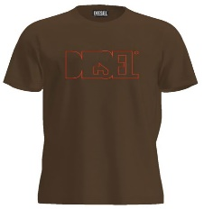 | A19698RHQBE7DA | MALE | T-SHIRT | T-DIEGOR 250215 OFF MAGLIETTA - COFFEE LIQUEUR |  | 63 | 127 | 126 | 126 | 62 |  | 504 | 24.00 € | 60.00 €
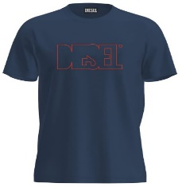 | A19698RHQBE81E | MALE | T-SHIRT | T-DIEGOR 250215 OFF MAGLIETTA - TOTAL ECLIPSE |  | 182 | 361 | 353 | 359 | 180 |  | 1435 | 24.00 € | 60.00 €
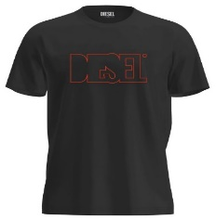 | A19698RHQBE900 | MALE | T-SHIRT | T-DIEGOR 250215 OFF MAGLIETTA - CAVIAR |  | 179 | 349 | 341 | 347 | 174 |  | 1390 | 24.00 € | 60.00 €
 | A19699RHQBF100 | MALE | T-SHIRT | T-JUST 250216 OFF MAGLIETTA - BRIGHT WHITE |  | 174 | 347 | 340 | 348 | 174 |  | 1383 | 24.00 € | 60.00 €
 | A19699RHQBF7DA | MALE | T-SHIRT | T-JUST 250216 OFF MAGLIETTA - COFFEE LIQUEUR |  | 41 | 90 | 88 | 93 | 50 |  | 362 | 24.00 € | 60.00 €
 | A19699RHQBF81E | MALE | T-SHIRT | T-JUST 250216 OFF MAGLIETTA - TOTAL ECLIPSE |  | 162 | 327 | 321 | 328 | 170 |  | 1308 | 24.00 € | 60.00 €
 | A19699RHQBF900 | MALE | T-SHIRT | T-JUST 250216 OFF MAGLIETTA - CAVIAR |  | 159 | 325 | 318 | 326 | 169 |  | 1297 | 24.00 € | 60.00 €
 | A19700RHQBG100 | MALE | T-SHIRT | T-JUST 250217 OFF MAGLIETTA - BRIGHT WHITE |  | 72 | 161 | 161 | 163 | 84 |  | 641 | 24.00 € | 60.00 €
 | A19700RHQBG81E | MALE | T-SHIRT | T-JUST 250217 OFF MAGLIETTA - TOTAL ECLIPSE |  | 78 | 171 | 170 | 172 | 89 |  | 680 | 24.00 € | 60.00 €
 | A19700RHQBG900 | MALE | T-SHIRT | T-JUST 250217 OFF MAGLIETTA - CAVIAR |  | 71 | 160 | 159 | 163 | 86 |  | 639 | 24.00 € | 60.00 €
 | A19701RHQBH100 | MALE | T-SHIRT | T-JUST 250218 OFF MAGLIETTA - BRIGHT WHITE |  | 105 | 218 | 213 | 219 | 111 |  | 866 | 24.00 € | 60.00 €
 | A19701RHQBH81E | MALE | T-SHIRT | T-JUST 250218 OFF MAGLIETTA - TOTAL ECLIPSE |  | 110 | 221 | 217 | 225 | 114 |  | 887 | 24.00 € | 60.00 €
 | A19701RHQBH8NT | MALE | T-SHIRT | T-JUST 250218 OFF MAGLIETTA - BLUE SAPPHIRE |  | 119 | 243 | 243 | 245 | 121 |  | 971 | 24.00 € | 60.00 €
 | A19701RHQBH900 | MALE | T-SHIRT | T-JUST 250218 OFF MAGLIETTA - CAVIAR |  | 105 | 218 | 213 | 219 | 111 |  | 866 | 24.00 € | 60.00 €
 | A19713RDBEN100 | MALE | T-SHIRT | T-JUST 250221 OFF MAGLIETTA - BRIGHT WHITE |  | 169 | 352 | 350 | 354 | 177 |  | 1402 | 24.00 € | 60.00 €
 | A19713RDBEN5IX | MALE | T-SHIRT | T-JUST 250221 OFF MAGLIETTA - DEEP DEPTHS |  | 53 | 115 | 112 | 114 | 57 |  | 451 | 24.00 € | 60.00 €
 | A19713RDBEN7DA | MALE | T-SHIRT | T-JUST 250221 OFF MAGLIETTA - COFFEE LIQUEUR |  | 55 | 120 | 120 | 120 | 60 |  | 475 | 24.00 € | 60.00 €
 | A19713RDBEN81E | MALE | T-SHIRT | T-JUST 250221 OFF MAGLIETTA - TOTAL ECLIPSE |  | 170 | 349 | 345 | 351 | 176 |  | 1391 | 24.00 € | 60.00 €
 | A19713RDBEN8NT | MALE | T-SHIRT | T-JUST 250221 OFF MAGLIETTA - BLUE SAPPHIRE |  | 50 | 113 | 111 | 115 | 58 |  | 447 | 24.00 € | 60.00 €
 | A19713RDBEN900 | MALE | T-SHIRT | T-JUST 250221 OFF MAGLIETTA - CAVIAR |  | 168 | 347 | 343 | 349 | 174 |  | 1381 | 24.00 € | 60.00 €
 |  |  |  |  | S | M | L | XL | XXL
 | A12487RSFACE0041 | MALE | UNDERWEAR | UMBX-SHAWNTWOPACK-RG BOXERS - AH100+AH100 | 8 | 447 | 532 | 957 | 1018 |  |  | 2962 | 13.60 € | 34.00 €
 | A12487RSFACE1350 | MALE | UNDERWEAR | UMBX-SHAWNTWOPACK-RG BOXERS - AH900+AH900 | 188 | 1369 | 2313 | 3806 | 3999 |  |  | 11675 | 13.60 € | 34.00 €
 | A12487RSFACE7352 | MALE | UNDERWEAR | UMBX-SHAWNTWOPACK-RG BOXERS - AH96X+AH96X | 565 | 1569 | 2189 | 2830 | 3083 |  |  | 10236 | 13.60 € | 34.00 €
 | A12487RSFACE7353 | MALE | UNDERWEAR | UMBX-SHAWNTWOPACK-RG BOXERS - AH88T+AH88T | 1397 | 3240 | 4718 | 5350 | 5611 |  |  | 20316 | 13.60 € | 34.00 €

 |  |  |  |  |  |  |  |  |  |  |  | 119025

